Sheet1
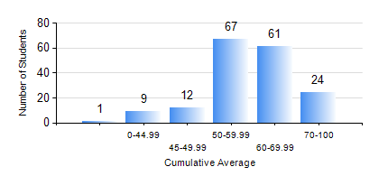
 |  |  | KWAME NKRUMAH UNIVERSITY OF SCIENCE AND TECHNOLOGY, KUMASI Department of Geological Engineering

 |  |  | BSC. GEOLOGICAL ENG.

 |  |  | COMPREHENSIVE RECORD OF EXAMINATION RESULTS

 |  |  | RESULTS OF YEAR 2 FIRST SEMESTER, 2022/2023 ACADEMIC YEAR

 | Sn | Course Code |  | Course Name | Credit Hours | Min. Mark | Max. Mark | Avg. Mark | Std. Dev. | No. Passed | No. Trailed | No. (Df) | No. (I) | No. (I*) | No. Tagged(I,I*,Df) | Total
 | 0. |  |  |  |  |  |  | 0 | 0 | 0 | 0 | 0 | 0 | 0 | 0 | 20
 | 1. | CE 251 |  | STRENGTH OF MATERIALS | 2 | 15 | 96 | 59 | 17.73 | 133 | 21 | 0 | 0 | 0 | 0 | 154
 | 2. | CE 255 |  | THEORY OF STRUCTURES | 3 | 10 | 99 | 54 | 17.12 | 143 | 11 | 0 | 0 | 0 | 0 | 154
 | 3. | CENG 291 |  | ENGINEERING IN SOCIETY | 2 | 0 | 85 | 66 | 10.43 | 148 | 6 | 0 | 0 | 0 | 0 | 154
 | 4. | GED 251 |  | MINERALOGY | 3 | 12 | 91 | 52 | 15.01 | 143 | 11 | 0 | 0 | 0 | 0 | 154
 | 5. | GED 253 |  | PHYSICAL GEOLOGY | 3 | 5 | 97 | 73 | 14.8 | 149 | 5 | 0 | 0 | 0 | 0 | 154
 | 6. | GED 267 |  | COMPUTER PROGRAMMING | 2 | 26 | 81 | 58 | 13.76 | 136 | 12 | 6 | 0 | 0 | 6 | 154
 | 7. | MATH 251 |  | DIFFERENTIAL EQUATIONS | 4 | 19 | 80 | 54 | 9.65 | 150 | 4 | 0 | 0 | 0 | 0 | 154

